Results
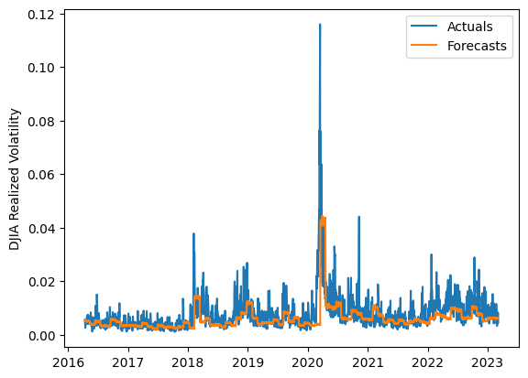
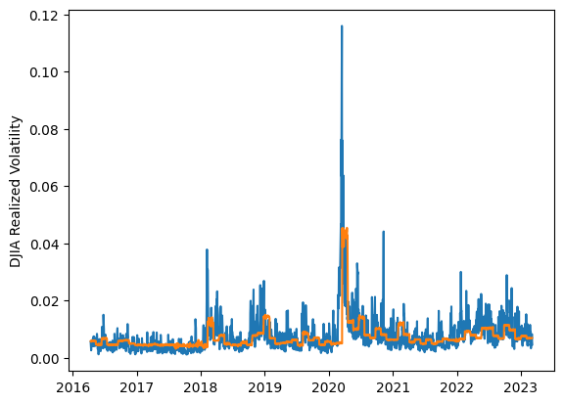
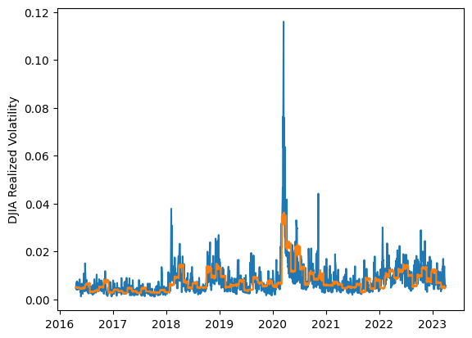
 | LSTM |  |  | TCN |  |  | NBEATSx |  |  |  |  | LSTM |  |  | TCN |  |  | NBEATSx
 | Accuracy | RMSE | Qlike | Accuracy | RMSE | Qlike | Accuracy | RMSE | Qlike |  |  | Accuracy | RMSE | Qlike | Accuracy | RMSE | Qlike | Accuracy | RMSE | Qlike
Trial 1 | 51.67% | 0.339% | 0.154 | 55.81% | 0.322% | 0.142 | 52.34% | 0.325% | 0.160 |  | Mean | 49.98% | 0.353% | 0.164 | 53.37% | 0.341% | 0.152 | 53.25% | 0.322% | 0.151
Trial 2 | 47.26% | 0.351% | 0.169 | 53.94% | 0.342% | 0.151 | 54.18% | 0.317% | 0.147 |  | Standard Deviation | 7.28% | 0.019% | 0.025 | 3.80% | 0.016% | 0.013 | 0.90% | 0.003% | 0.003
Trial 3 | 53.44% | 0.336% | 0.148 | 48.79% | 0.344% | 0.165 | 52.51% | 0.324% | 0.153 |  | 95% CI upper bound | 64.55% | 0.392% | 0.214 | 60.96% | 0.373% | 0.177 | 55.05% | 0.328% | 0.157
Trial 4 | 53.36% | 0.346% | 0.150 | 55.15% | 0.335% | 0.145 | 53.72% | 0.319% | 0.150 |  | 95% CI lower bound | 35.42% | 0.315% | 0.114 | 45.77% | 0.309% | 0.127 | 51.45% | 0.315% | 0.144
Trial 5 | 51.70% | 0.344% | 0.154 | 53.15% | 0.343% | 0.151 | 53.58% | 0.320% | 0.151 |  | 99.7% CI upper bound | 71.83% | 0.412% | 0.239 | 64.76% | 0.389% | 0.190 | 55.95% | 0.332% | 0.160
Trial 6 | 59.32% | 0.337% | 0.139 | 59.28% | 0.333% | 0.136 | 53.74% | 0.322% | 0.154 |  | 99.7% CI lower bound | 28.13% | 0.295% | 0.089 | 41.97% | 0.293% | 0.114 | 50.55% | 0.312% | 0.141
Trial 7 | 57.33% | 0.340% | 0.141 | 50.78% | 0.357% | 0.161 | 52.67% | 0.323% | 0.148
Trial 8 | 47.10% | 0.364% | 0.172 | 55.44% | 0.323% | 0.142 | 51.85% | 0.326% | 0.149
Trial 9 | 40.08% | 0.385% | 0.200 | 54.55% | 0.332% | 0.149 | 52.04% | 0.325% | 0.151
Trial 10 | 33.28% | 0.399% | 0.230 | 48.45% | 0.359% | 0.167 | 54.71% | 0.315% | 0.148
Trial 11 | 51.47% | 0.346% | 0.156 | 58.21% | 0.324% | 0.136 | 53.08% | 0.323% | 0.150
Trial 12 | 47.05% | 0.365% | 0.172 | 49.94% | 0.357% | 0.163 | 53.81% | 0.320% | 0.148
Trial 13 | 62.26% | 0.328% | 0.134 | 46.02% | 0.378% | 0.180 | 52.36% | 0.325% | 0.153
Trial 14 | 48.34% | 0.356% | 0.166 | 56.44% | 0.334% | 0.142 | 53.95% | 0.322% | 0.151
Trial 15 | 46.08% | 0.365% | 0.176 | 54.56% | 0.333% | 0.148 | 54.25% | 0.320% | 0.149

 | LSTM (best trial) |  |  |  |  |  |  |  |  | TCN (best trial) |  |  |  |  |  |  |  |  | NBEATSx (best trial)

